Sheet1
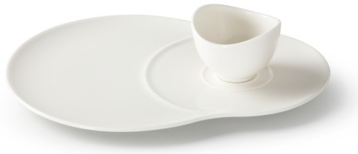
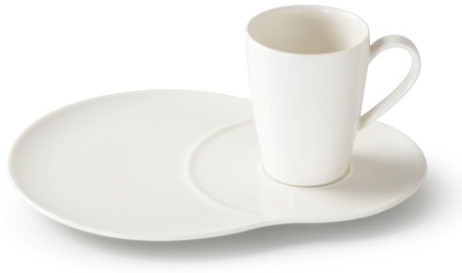
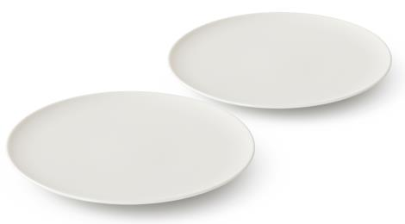
Picture | Item code | Description | Extra information | Restriction | Stock | Sales price EXW | Retail price | Barcode | Quantity PU | Quantity pallet | Pallet | Origin | Customs code | Item weight | Languages on package | Group
 | S-10533 | Villeroy & Boch Vivo Basic, Dip set 1pcs | DW0313 | No sales in Benelux & GAS countries + No sales online | 7308 | 2.29 | 8.9 | 4003686257016 | 6 | 144 | Europallet 120x80 | D | 6911100090 | 930 | ge ch eng | Villeroy & Boch Vivo Basic
 | S-10534 | Villeroy & Boch Vivo Basic, Mug set 1pcs | DW0312 | No sales in Benelux & GAS countries + No sales online | 2648 | 2.59 | 10.9 | 4003686257023 | 6 | 144 | Europallet 120x80 | D | 6911100090 | 1070 | DE, EN, FR, ES, IT, NL, CN | Villeroy & Boch Vivo Basic
 | S-10538 | Villeroy & Boch Vivo Basic, Breakfast Plate 21cm 2pcs set | DW0304 | No sales in Benelux & GAS countries + No sales online | 1692 | 2.19 |  | 4003686256972 | 6 | 540 | Europallet 120x80 | D | 6911100090 | 860 | fr eng ge | Villeroy & Boch Vivo Basic
 | 19479 | Villeroy & Boch Vivo Basic, Dip set 1pcs | DW0313 | No sales in Benelux & GAS countries + No sales online | 402 | 2.29 | 12.99 | 4003686257016 | 6 | 144 | Europallet 120x80 | D | 6911100090 | 904 | ge ch eng | Villeroy & Boch Vivo Basic

